Dashboard
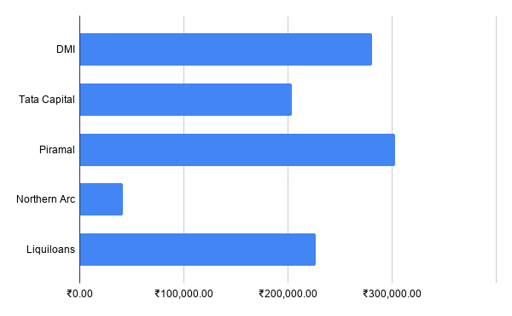
product_type | COUNTA of loan_id | SUM of Total variance
 | 0 | 0
Business Loan | 20 | ₹288,475.00
Gold Loan | 16 | ₹163,941.00
Home Loan | 32 | ₹434,092.00
Personal Loan | 18 | ₹168,908.00
Grand Total | 86 | ₹1,055,416.00

